Sheet1
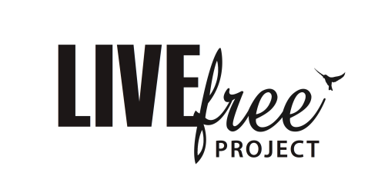
 | Reimbursement Request

 | Purchase Order:

Pay to:
BSB: | A/C:
 |  |  | Amounts:
Purchased from | Purchase | Allocation Acc. | Project | B + R

 | Totals: | $- | $- | $-
Signed:

Authorised:

Entered: |  | Paid

